Eigen Values
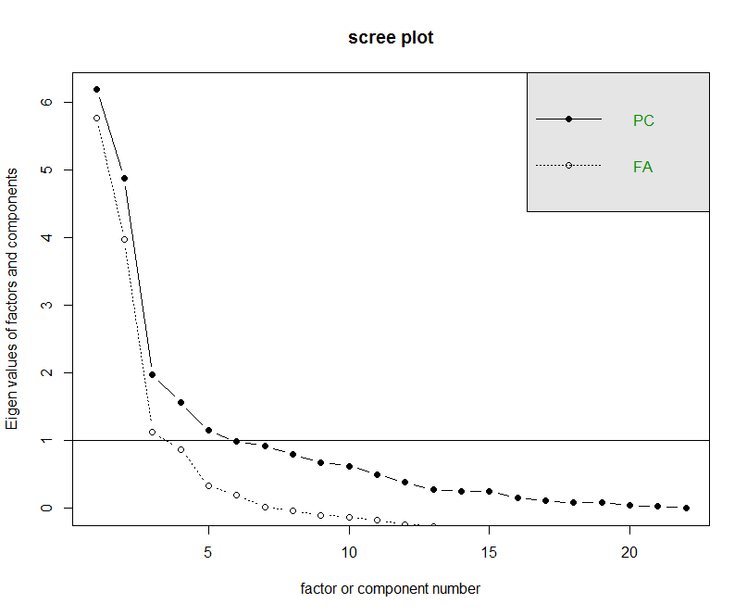
No.of Factors | eigen.corrm..values | cum_sum_eigen | pct_var | cum_pct_var
1 | 6.1932 | 6.1932 | 28% | 28%
2 | 4.8831 | 11.0763 | 22% | 50%
3 | 1.9774 | 13.0537 | 9% | 59%
4 | 1.5658 | 14.6194 | 7% | 66%
5 | 1.1516 | 15.771 | 5% | 72%
6 | 0.9909 | 16.7619 | 5% | 76%
7 | 0.9271 | 17.689 | 4% | 80%
8 | 0.8031 | 18.4922 | 4% | 84%
9 | 0.6791 | 19.1712 | 3% | 87%
10 | 0.6285 | 19.7998 | 3% | 90%
11 | 0.5005 | 20.3003 | 2% | 92%
12 | 0.3902 | 20.6906 | 2% | 94%
13 | 0.2747 | 20.9653 | 1% | 95%
14 | 0.2578 | 21.223 | 1% | 96%
15 | 0.2482 | 21.4712 | 1% | 98%
16 | 0.1562 | 21.6274 | 1% | 98%
17 | 0.11 | 21.7374 | 1% | 99%
18 | 0.0884 | 21.8258 | 0% | 99%
19 | 0.0864 | 21.9122 | 0% | 100%
20 | 0.0426 | 21.9548 | 0% | 100%
21 | 0.0343 | 21.9891 | 0% | 100%
22 | 0.0109 | 22 | 0% | 100%

